Sheet1
 |  | Document No. |  | Issue No. |  | Issue Date |  |  | Review and Replace Date |  |  | Authorised By
 |  | GFF348MC |  | 4 |  | 15.12.2021 |  |  | 29.03.2023 |  |  | Magda Shah
 |  | Document Title | Chicken Korma & Black Rice 400g
Document amendments reason for change |  | Tray & Film Changed Black rice recipe name changed |  |  | Page 1 of 1 |  | Previous Issue Date |  |  | 21.12.2022 |  | Uncontrolled copy unless signed original

FCKOR-R8TMC | MINDFUL CHEF |  |  | Chicken Korma & Black Rice 400g | FROZEN
STEP 1 |  |  |  | STEP 2 |  |  |  |  |  |  | STEP 3
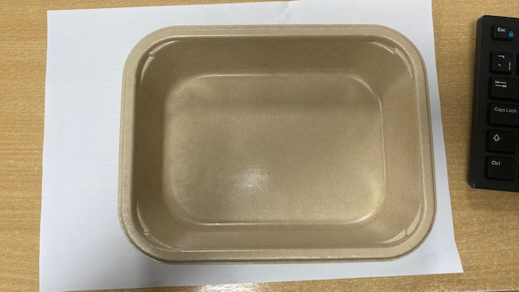 |  |  |  | 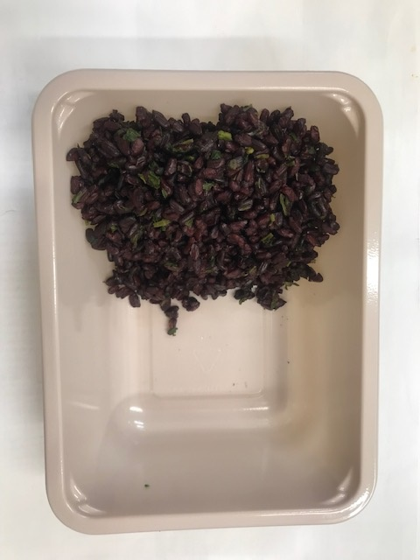 |  |  |  |  |  |  | 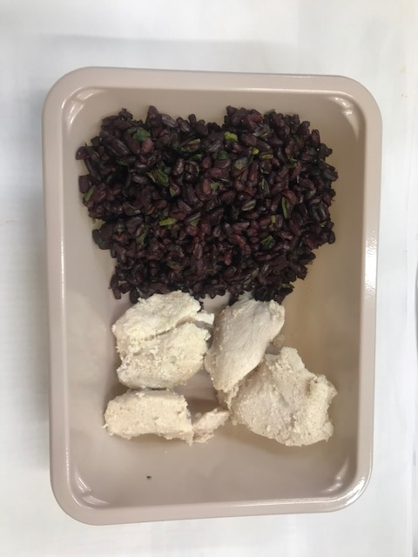

PACK DAY + 1 YEAR
NON-MAP PACK

Tray: Flat Tray-PET Fresh Fibre Food Tray (200 x 155 x 39)-PKHUH001-01 |  |  |  | Coriander Black Rice (GFF238R): 100g |  |  |  |  |  |  | Mindful Chef Cooked Chicken(GFF357R) : 70g

Film: K peel 7G+25A/f-275mm-(PKKMP001-03)
STEP 4 |  |  |  |  |  |  |  | STEP 5
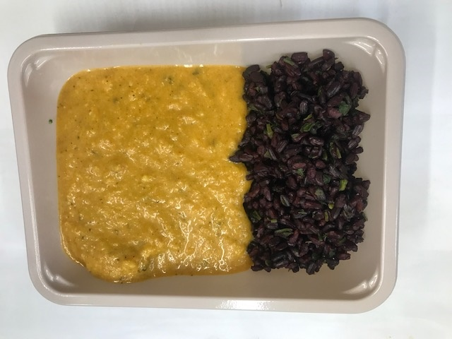 |  |  |  |  |  |  |  | 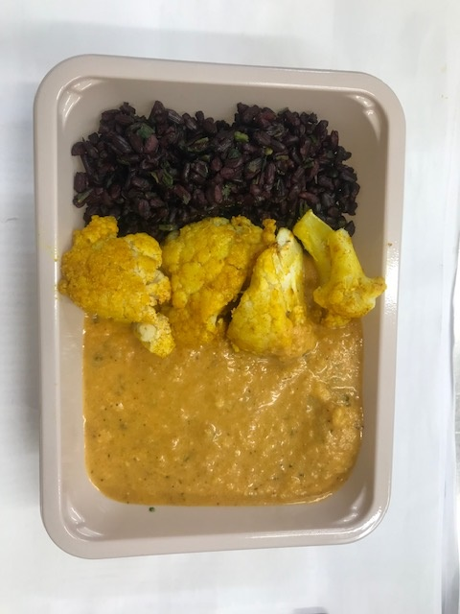

Korma Sauce (MC) (GFF412R): 190g |  |  |  |  |  |  |  | Roasted Cauliflower (MC) (GFF279R): 40g |  |  |  |  | TOTAL WEIGHT: 400g

ALLERGY ALERT: Nuts

